Sheet1
Product | Pice PKR | Keyword | Product Image | Search Volume Monthly | KD | Link
Jenpharm Skin Brightening Bundle (Normal/Dry Skin) | 5,500 | best whitening cream in pakistan | 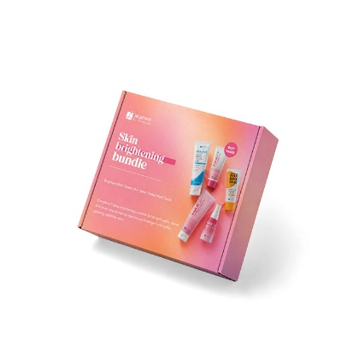 | 8,100 | 20 | https://jenpharm.com/products/skin-brightening-bundle-for-normal-dry-skin
Vince Natural Whitening Kit | 4,500 | whitening cream | 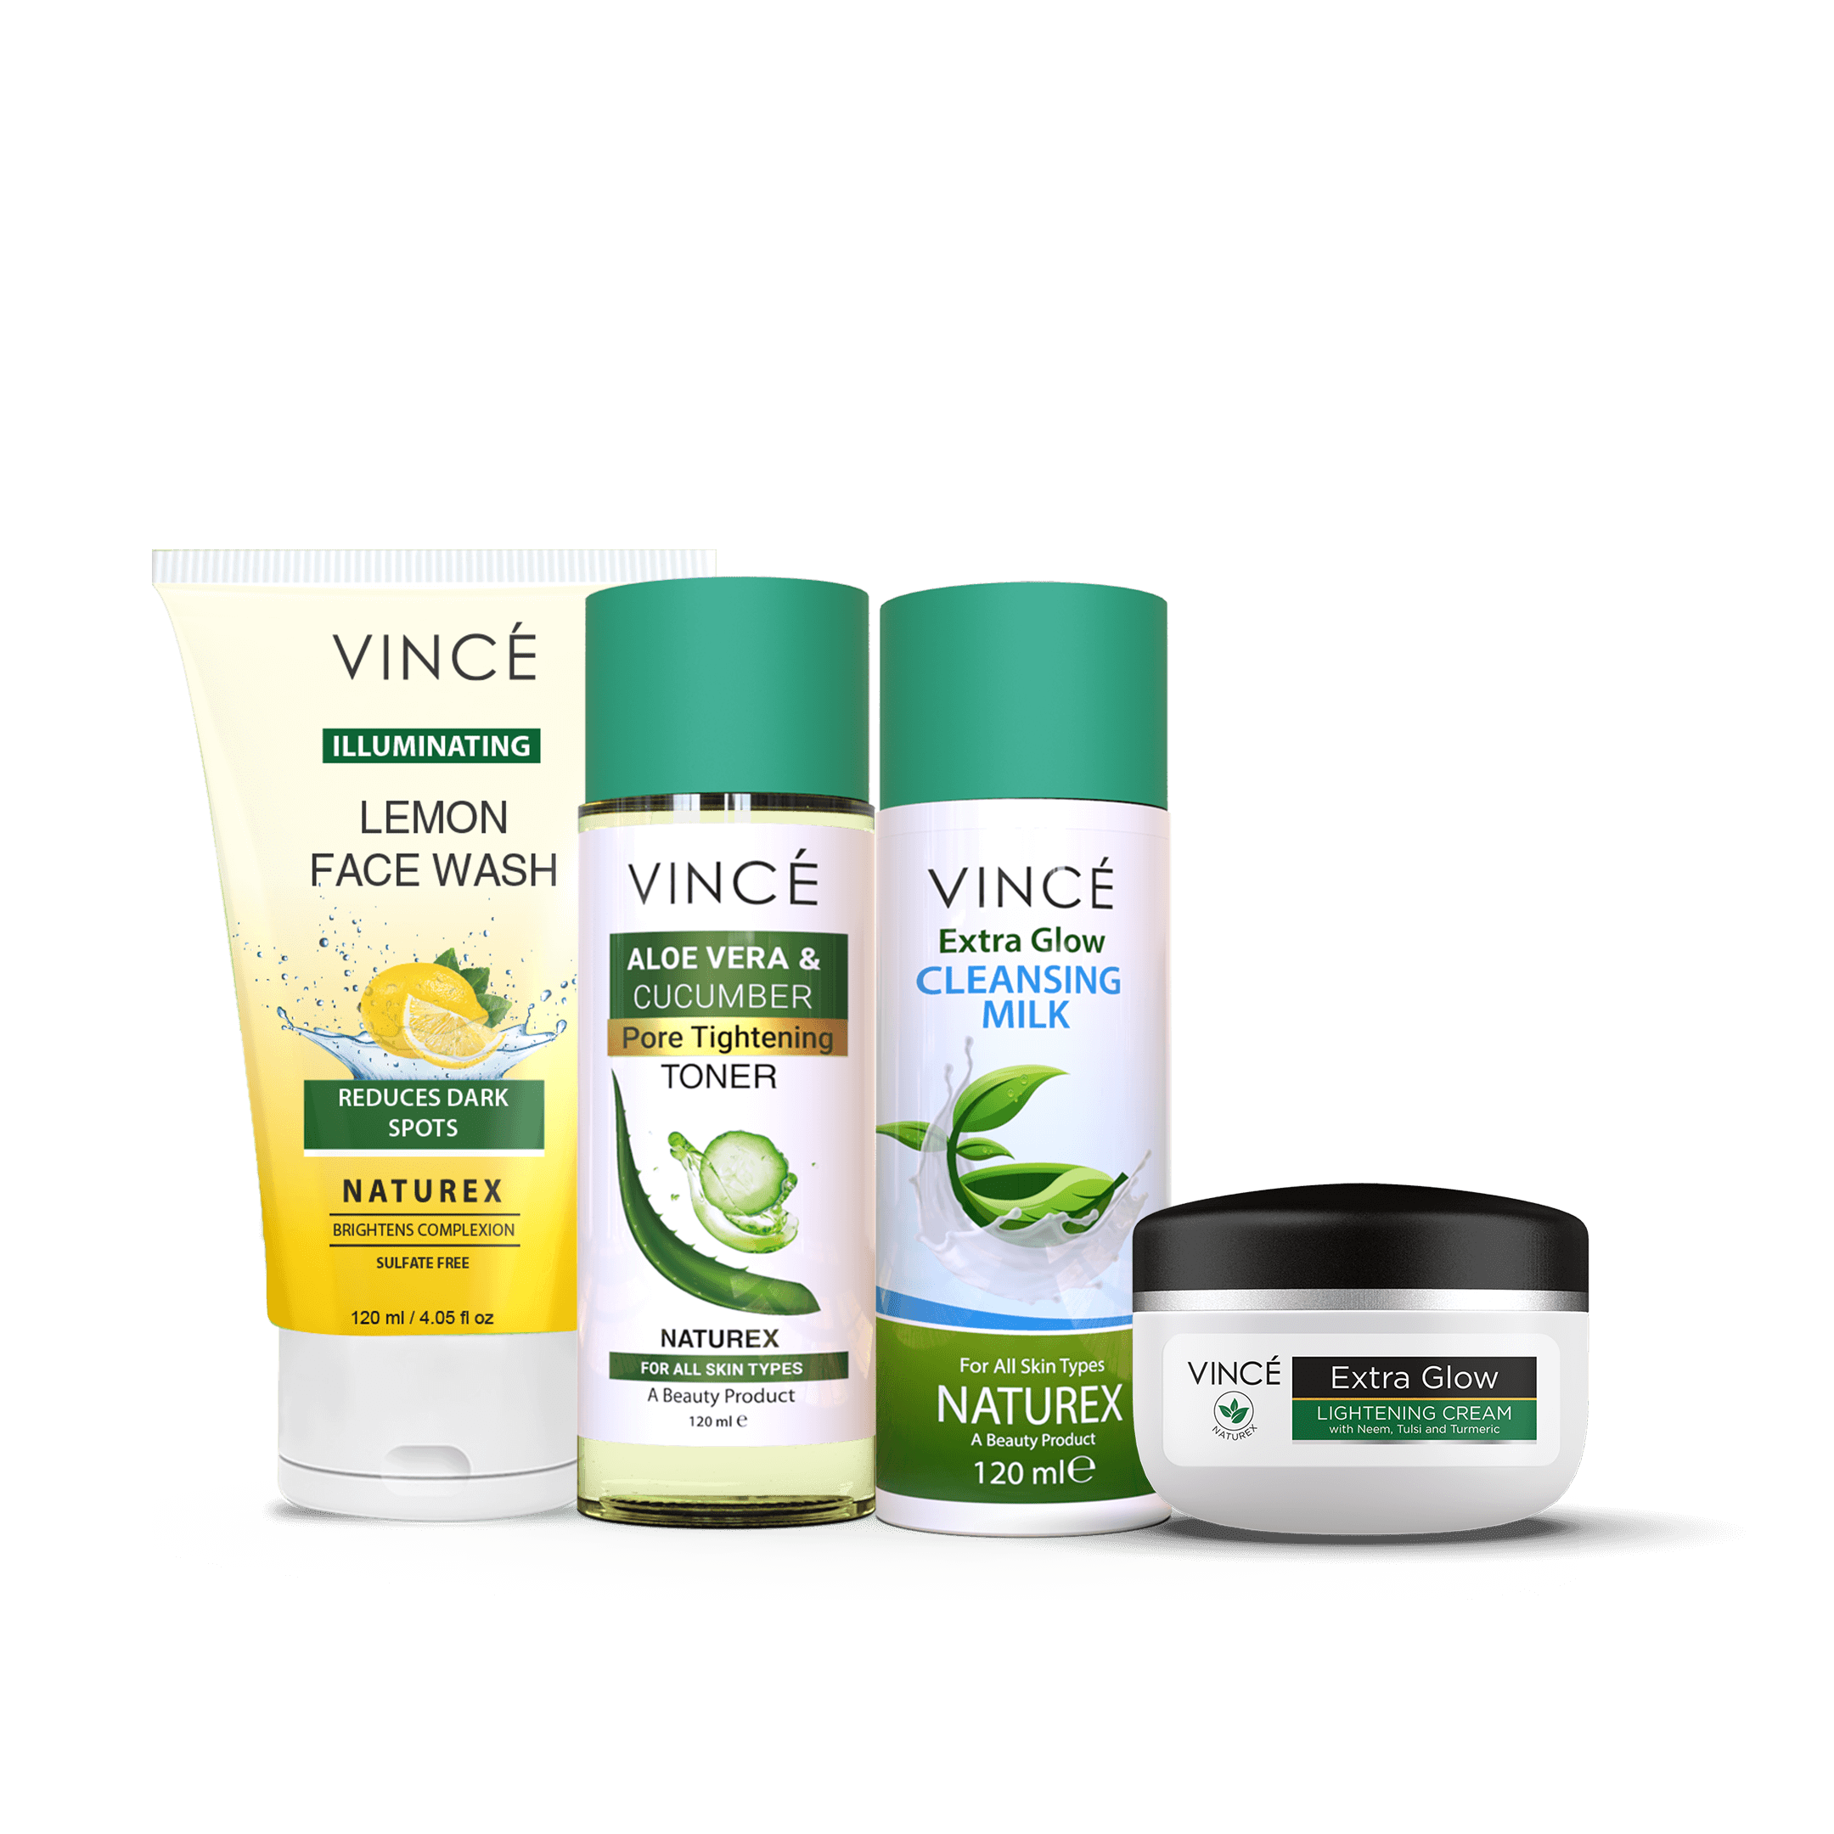 | 12,100 | 21 | https://vincecare.com/products/natural-whitening-kit
Conatural Sun Protection Set | 3,806 | best sunscreen in pakistan | 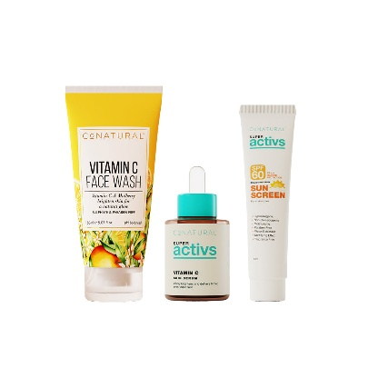 | 4,400 | 14 | https://conaturalintl.com/products/sun-protection-set
Zero Makeup Shadow Liner - Deep Brown, Zero Makeup Shadow Liner - Ultra Black | 3,490 | zero makeup | 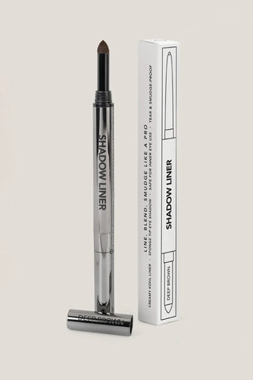 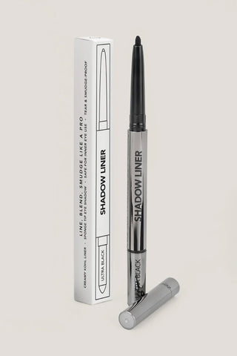 | 4,400 | 33
Sara Ali Cosmetic Bullet Lipstick - Date Night | 3,000 | nude lipstick | 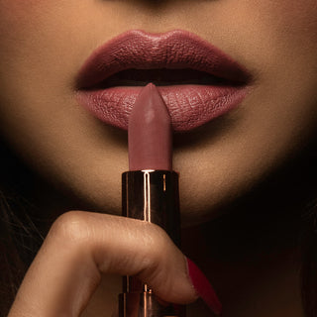 | 1,000 | 22
Conatural Better Than Ubtan Face & Body Scrub 120g | 2,991 | conatural face wash | 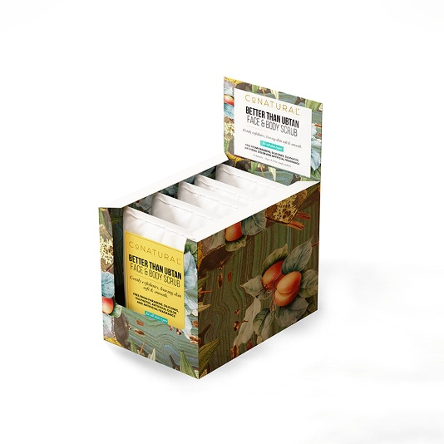 | 2,900 | 19
Jenpharm Anagrow Hair Serum | 2,900 | anagrow hair serum | 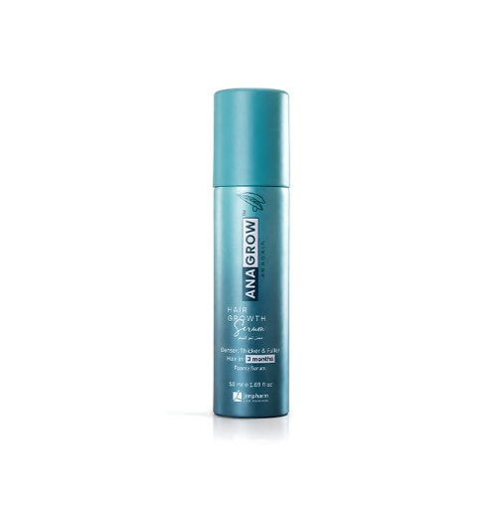 | 1,900 | 12
Jenpharm Maxdif Brightening Serum | 2,800 | whitening serum | 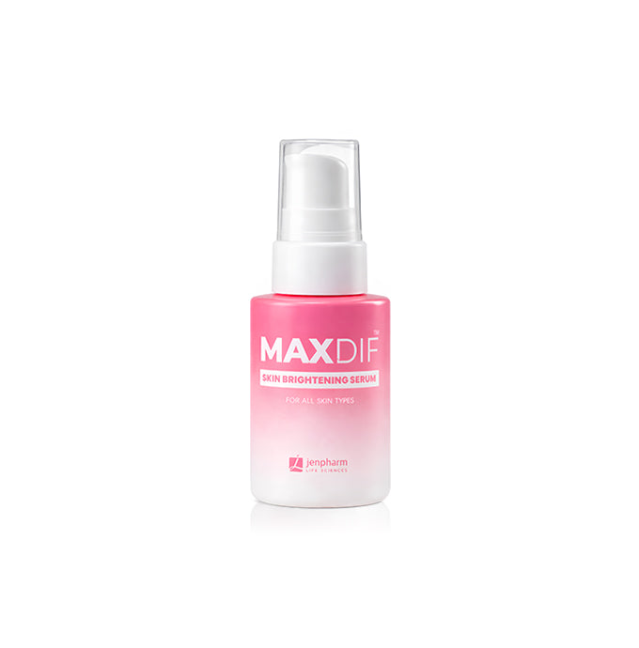 | 2,400 | 9 | https://jenpharm.com/products/maxdif-brightening-serum
Conatural White Mask (Brightening Facial Mask) | 2,670 | whitening serum | 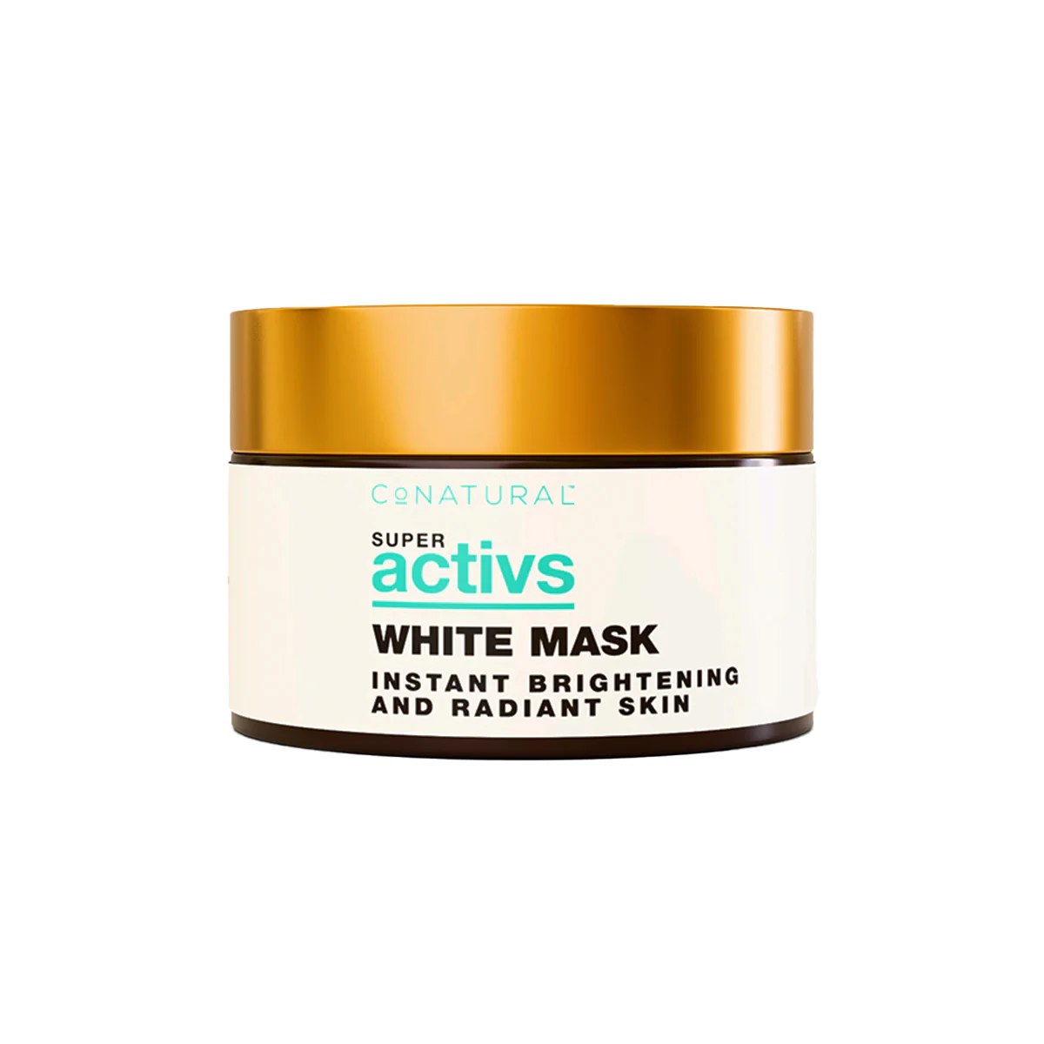 | 2,400 | 9 | https://conaturalintl.com/products/white-mask-face-brightening-mask-facial-mask
Jenpharm Mandelac Serum | 2,600 | mandelic acid serum | 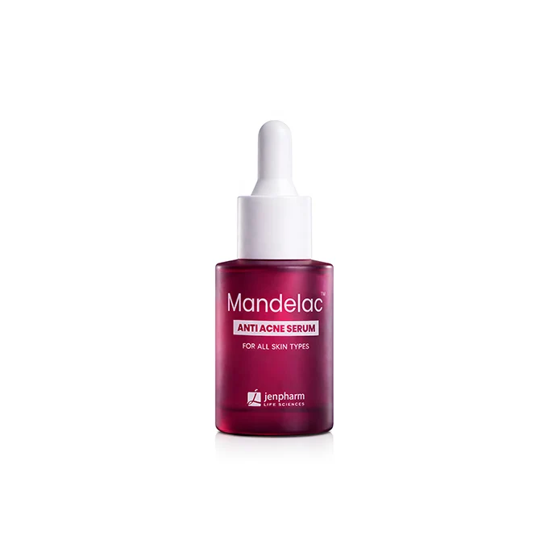 | 1,300 | 16 | https://jenpharm.com/products/mandelac-serum
Jenpharm Spectra Block Max 100 | 2,600 | spf 60 sunscreen | 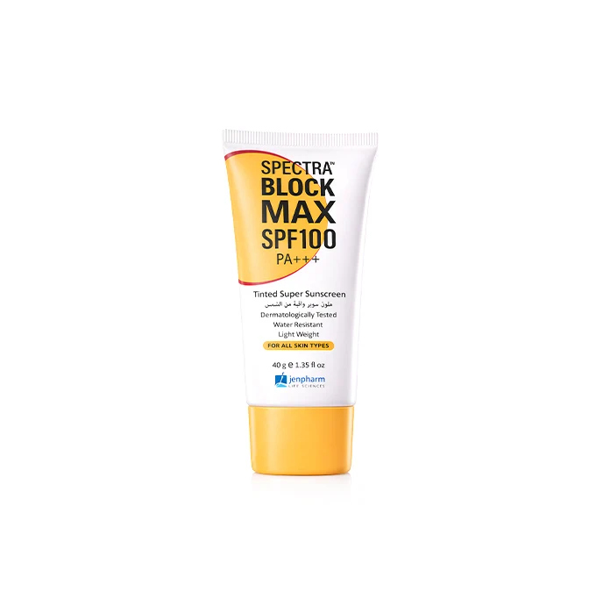 | 1,000 | 17 | https://jenpharm.com/products/spectra-block-max-100
Jenpharm Anagrow Anti-Hair Fall Shampoo | 2,450 | anagrow serum price in pakistan | 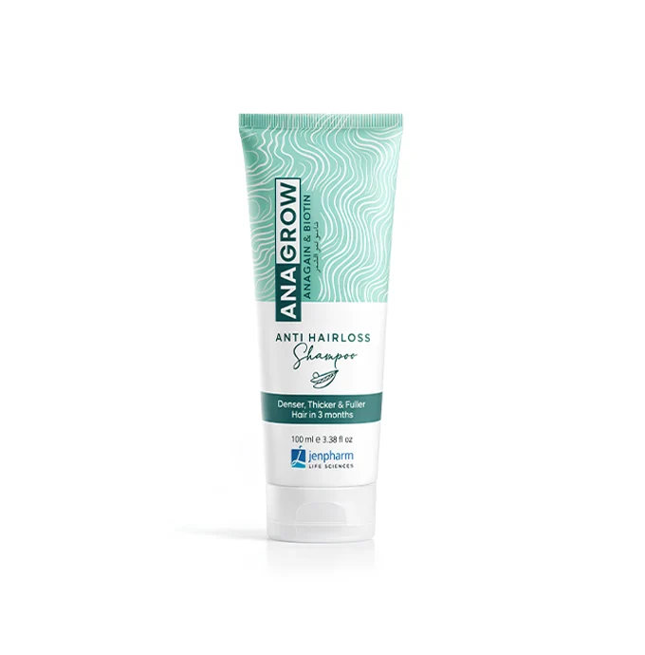 | 4,400 | 15 | https://jenpharm.com/products/anagrow-anti-hair-fall-shampoo
Conatural Vitamin C Super Activ Skin Serum | 2,400 | vitamin c serum price in pakistan |  | 4,400 | 8 | https://conaturalintl.com/products/vitamin-c-super-activ-skin-serum
Conatural Hyaluronic Acid 2% + B5 Super Activ Skin Serum | 2,400 | hyaluronic acid serum |  | 5,400 | 22 | https://conaturalintl.com/products/hyaluronic-acid-2-b5-super-activ-skin-serum
Jenpharm Niaronic Serum | 2,400 | niacinamide serum price in pakistan |  | 3,600 | 16 | https://jenpharm.com/products/niaronic-serum
Meladerm C Serum - Intensive Skin Lightening Serum | 2,350 | whitening serum |  | 2,400 | 9 | https://skinshop.pk/products/meladerm-c-serum-intensive-skin-lightening-serum
Jenpharm Mandelac Cream | 2,350 | mandelac face wash |  | 6,600 | 17 | https://jenpharm.com/products/mandelac-cream
Vince Skin Lightening Night Cream | 2,300 | best whitening cream in pakistan |  | 8,100 | 20 | https://vincecare.com/products/skin-lightening-night-cream
Seriko Ultra Skin Lightening Serum 20ml | 2,250 | best whitening cream in pakistan |  | 8,100 | 20 | https://skinshop.pk/products/seriko-ultra-skin-lightening-serum-20ml
Jenpharm Spectra Matt SPF 40 | 2,250 | sunscreen for oily skin |  | 3,600 | 25 | https://jenpharm.com/products/spectra-matt
Vince Extra Lightening Serum | 2,250 | whitening serum |  | 2,400 | 9 | https://vincecare.com/products/extra-lightening-serum-2
Conatural Niacinamide 10% + Zinc 1% Super Activ Skin Serum | 2,200 | niacinamide serum |  | 12,100 | 32 | https://conaturalintl.com/products/niacinamide-10-zinc-1-super-activ-skin-serum
Jenpharm Maxdif Skin Brightening Cream | 2,200 | maxdif cream price in pakistan |  | 8,100 | 20 | https://jenpharm.com/products/maxdif-skin-brightening-cream
Vince Hyaluronic Acid Serum | 2,200 | hyaluronic acid serum |  | 5,400 | 22 | https://vincecare.com/products/hyaluronic-acid-serum
Jenpharm Spectra Block Sunblock | 2,100 | best sunscreen in pakistan |  | 4,400 | 14 | https://jenpharm.com/products/sunblock-spectra-block
Vince Vitamin C Serum | 2,100 | vince vitamin c serum |  | 1,900 | 17 | https://vincecare.com/products/vitamin-c-serum
Jenpharm Dermive Oil Free Moisturizer | 2,050 | dermive oil free moisturizer |  | 5,400 | 17 | https://jenpharm.com/products/dermive-oil-free
PDRNew - Salmon DNA Complex | 5,999 |  |  |  |  | https://skinsciences.com.pk/products/pdrnew
Liquid Foundation | 5,900 |  |  |  |  | https://zeromakeup.com/products/zero-liquid-foundation
SUN100 60+60ml Bundle | 5,490 |  |  |  |  | https://zeromakeup.com/products/sun100-60-60ml-bundle
Ultra Cover Lip Gloss | 3,990 |  |  |  |  | https://zeromakeup.com/products/ultra-cover-lip-gloss
BioRegenesis Serum | 3,607 |  |  |  |  | https://accufixcosmetics.com/products/bioregenesis-serum
Shadow Liner | 3,490 |  |  |  |  | https://zeromakeup.com/products/shadow-liner
The Glass Skin Refiner | 3,435 |  |  |  |  | https://accufixcosmetics.com/products/best-serum-for-glass-skin
Nudist Classic Beige N30 Foundation | 3,400 |  |  |  |  | https://www.colorstudiopro.com/products/nudist-classic-beige-n30-foundation
Ultra Wear Foundation | 3,144 |  |  |  |  | https://masarratmakeup.com/products/ultra-wear-flawless-foundation
Better Than Ubtan Face & Body Scrub 120g | 2,991 |  |  |  |  | https://conaturalintl.com/products/better-than-ubtan-face-and-body-scrub-120g-clearance-sale-flat-40-off
Bakuchiol Advanced Correcting Serum | 2,966 |  |  |  |  | https://kleanbeauty.co/products/bakuchiol-advanced-correcting-serum
White Mask (Brightening Facial Mask) | 2,670 |  |  |  |  | https://conaturalintl.com/products/white-mask-face-brightening-mask-facial-mask
Peptide + Hyaluronic Moisture Cream | 2,580 |  |  |  |  | https://slbasics.com/products/peptide-hyaluronic-moisture-cream
Glass Skin Sleeping Mask - Overnight Hydrating Gel Mask | 2,579 |  |  |  |  | https://kleanbeauty.co/products/glass-skin-sleeping-mask
Multi-Peptide Serum for Wrinkles & Fine Lines | 2,499 |  |  |  |  | https://forganica.com/products/peptide-repair-serum
Encapsulated Salicylic Acid & Niacinamide Serum | 2,489 |  |  |  |  | https://accufixcosmetics.com/products/encapsulated-salicylic-acid-niacinamide-serum
Contour Powder | 2,473 |  |  |  |  | https://conaturalintl.com/products/contour-powder
Goat Milk & Niacinamide Lotion | 2,468 |  |  |  |  | https://blingbynadiahussain.com/products/nadia-hussain-goat-milk-niacinamide-lotion
Kojic Acid & Collagen Lotion | 2,468 |  |  |  |  | https://blingbynadiahussain.com/products/nadia-hussain-kojic-acid-collagen-lotion
Vitamin C & Glutathione Lotion | 2,468 |  |  |  |  | https://blingbynadiahussain.com/products/nadia-hussain-vitamin-c-glutathione-lotion
Vitamin E & Argan Oil Lotion | 2,468 |  |  |  |  | https://blingbynadiahussain.com/products/nadia-hussain-vitamin-e-argan-oil-lotion
Silymarin Antioxidant Serum | 2,299 |  |  |  |  | https://forganica.com/products/silymarin-antioxidant-serum-vitamin-c-serum-for-oily-and-blemish-prone-skin
Dermive Urea Economy Pack | 2,250 |  |  |  |  | https://jenpharm.com/products/dermive-urea-economy-pack
Peptide Complex Serum | 2,235 |  |  |  |  | https://kleanbeauty.co/products/peptide-complex-serum
GlycoCell 7% Glycolic Acid Toner | 2,200 |  |  |  |  | https://forganica.com/products/glycolic-acid-toner
SPF 50 Sunscreen | 2,199 |  |  |  |  | https://forganica.com/products/sunblock-with-spf-50
Hyaluro Boost Serum | 2,199 |  |  |  |  | https://forganica.com/products/hyaluronic-acid-serum
Acne Clarifying Serum | 2,199 |  |  |  |  | https://forganica.com/products/salicylic-acid-serum-for-acne
C Bright Serum | 2,150 |  |  |  |  | https://slbasics.com/products/c-bright-serum
LipidCleanse Oil-to-Milk Cleanser | 2,100 |  |  |  |  | https://forganica.com/products/oil-to-milk-cleanser
BB Cream | 2,079 |  |  |  |  | https://masarratmakeup.com/products/bb-cream
Hydra Serum | 2,064 |  |  |  |  | https://slbasics.com/products/hydra-serum

